How to Use This Template
Easily manage all your social media and get results with Hootsuite.
From a single dashboard you can schedule posts, responds to comments, measure and improve performance.
👉 Start Your Free 30-Day Trial 👈
Read the complete guide: How to Perform a Social Media Audit
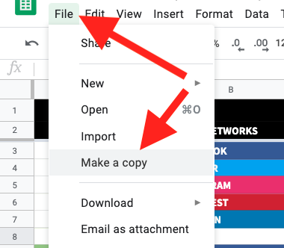
To use the templates in this Google Sheet, make a copy or download it as an Excel spreadsheet.

